IRR & NPV
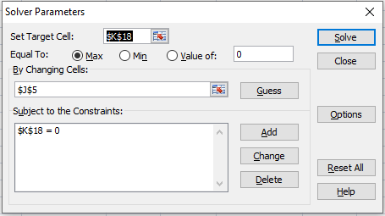
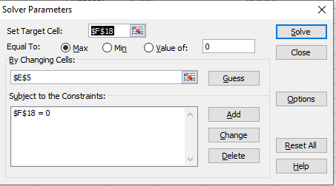
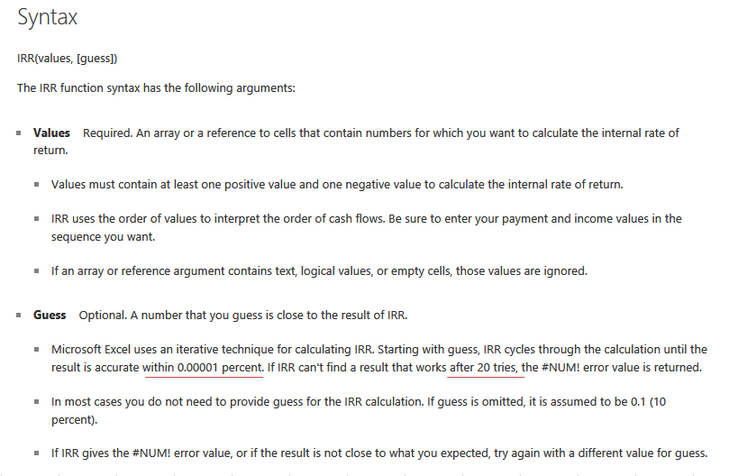
IRR approach - to assess which one is better investment alternative |  |  |  |  |  |  |  | NPV approach - to assess which one is better investment alternative

Investment 1 |  |  |  | Investment 2 |  |  |  | Investment 1 |  |  |  |  |  | Investment 2
 |  | Solver | IRR Function |  |  | Solver | IRR Function | Market Interest Rate = |  | 6%
 | IRR | 5.00% | 5.00% |  | IRR | 5.47% | 5.47% | Assume it is constant for 6 years

Year | Cashflow | IRR (%) | Present Value | Year | Cashflow | IRR (%) | Present Value | Year | Cashflow | Interest Rate (%) | Discount Factor | Present Value |  | Year | Cashflow | Interest Rate (%) | Discount Factor | Present Value
0 | -1000 |  | -1000.00 | 0 | -1000 |  | -1000.00 | 0 | -1000 |  |  | -1000.00 | Cost at To | 0 | -1000 |  |  | -1000.00 | Cost at To

1 | 50 | 5.00% | 47.62 | 1 | 200 | 5.47% | 189.62 | 1 | 50 | 6.00% | 0.9434 | 47.17 | 47.169811321 | 1 | 200 | 6.00% | 0.9434 | 188.68
2 | 50 | 5.00% | 45.35 | 2 | 200 | 5.47% | 179.79 | 2 | 50 | 6.00% | 0.8900 | 44.50 | 44.499822001 | 2 | 200 | 6.00% | 0.8900 | 178.00
3 | 50 | 5.00% | 43.19 | 3 | 200 | 5.47% | 170.46 | 3 | 50 | 6.00% | 0.8396 | 41.98 | 41.980964152 | 3 | 200 | 6.00% | 0.8396 | 167.92
4 | 50 | 5.00% | 41.14 | 4 | 200 | 5.47% | 161.62 | 4 | 50 | 6.00% | 0.7921 | 39.60 | 39.604683162 | 4 | 200 | 6.00% | 0.7921 | 158.42
5 | 50 | 5.00% | 39.18 | 5 | 200 | 5.47% | 153.23 | 5 | 50 | 6.00% | 0.7473 | 37.36 | 37.362908643 | 5 | 200 | 6.00% | 0.7473 | 149.45
6 | 1,050 | 5.00% | 783.53 | 6 | 200 | 5.47% | 145.28 | 6 | 1,050 | 6.00% | 0.7050 | 740.21 | 740.20856746 | 6 | 200 | 6.00% | 0.7050 | 140.99
Subtotal | 1,300 |  | 1000.00 | Subtotal | 1,200 |  | 1000.00 | Subtotal | 1,300 |  |  | 950.83 | Price at To | Subtotal | 1,200 |  |  | 983.46 | Price at To

Net CashF | 300 | NPV | 0.00 | Net CashF | 200 | NPV | 0.00 | Net CashF | 300 |  | NPV | -49.17 | P&L at To | Net CashF | 200 |  | NPV | -16.54 | P&L at To

Install Solver Add-in into Excel (in case it is not installed in Excel)
-> Select "Excel Option", then select "Add-Ins" in left-hand side menu
-> In the right-hand side meu, select "Solver Add-in" from the list, then click "Go..." button at bottom
-> A list of "Add-in" pop up, then click all box of in the "Add-in" pop up. Then press "OK".

Invoke Solver: Press Data / Solver
(e.g. Investment 1)
-> Determine the Target Cell, i.e. the output dependent variable (must be a Formula Cell) ---> Net Present Value (F18)
-> Determine Changing Cells, i.e. input variable you want a GUESS solution (must has relationship with Target Cell) --> IRR to estimate (E5)
-> Establish Constraint (the condition of value on formula cells set for your GUESS) --> Net Present Value = 0 (F18 = 0)

